Tabla dinámica 2
COUNT de Bug id

Bug1
Bug id: | 1
Name: | Hash Password is not displayed after 5 seconds
Description: | When password is sent encrypt job identifier is displayed as expected but SHA512. is not
Steps: | Pre conditions Port 8088 set up broken-hashserve app running Step 1 Make sure that postHash test case method has the next job identifier Step 2 Run the test case postHash
Expected result: | Job identifier should be displayed along with SHA512 encryption
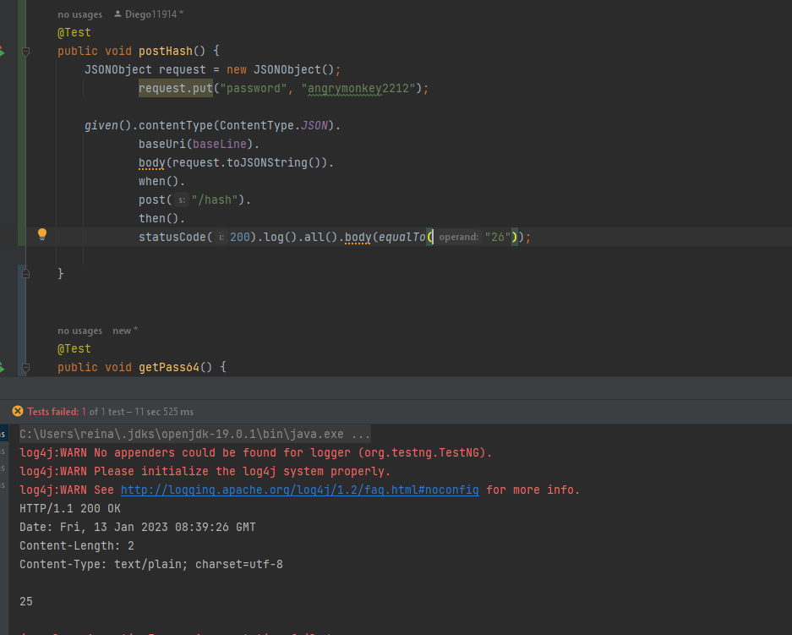
Actual result: | Just job identifier is displayed
Evidence:

Bug 2
Bug id: | 2
Name: | base64 code is displaying not a UTF-8 string
Description: | Value recived from http://127.0.0.1:8088/hash/19 is not a base64 encryption is launching a not a UTF-8 string
Steps: | Pre conditions Port 8088 set up broken-hashserve app running Step 1 Run the test case getPass64 Step 2 Verify the string displayed i:e i9wxHKKP1AdkHvNFEf8T8UNQsac602ivWxX0jDQduR5X9I+P1NhWum27Ny7TcF1+b7krH2Fw3I/mrwXP87vMVg== Step 3 Go to https://emn178.github.io/online-tools/base64_decode.html and enter the value recived in the testcase
Expected result: | Password should be encrypted and displayed
Actual result: | Value is not a base64 encryption is launching a not a UTF-8 string
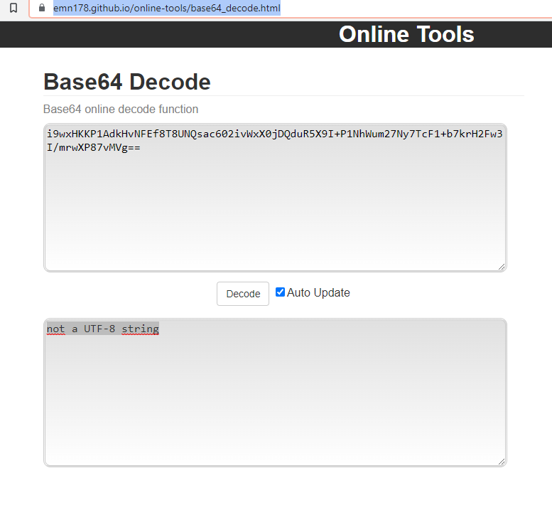
Evidence:

Bug 3
Bug id: | 3
Name: | Shutdown is not rejecting new hash request
Description: | New hash request is not rejected when showdown is called
Steps: | Pre conditions Port 8088 set up broken-hashserve app runing Step 1 Run the test case postshutdown
Expected result: | 200 Empty Response
Actual result: | new hash job identifer value is created
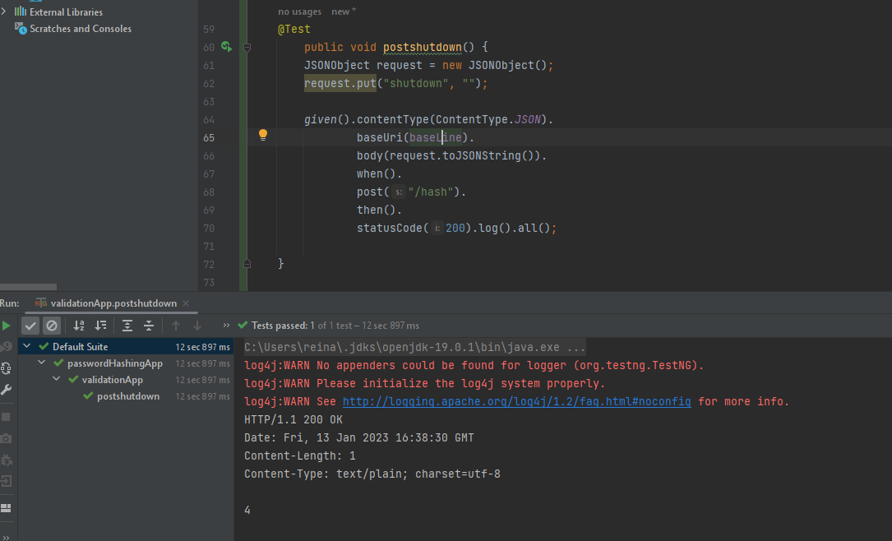
Evidence:

